Notes
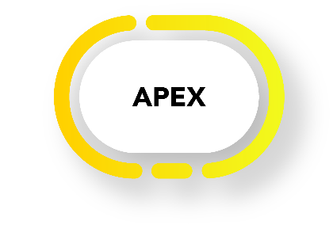

Author: | Karsten de Braaf

Date: | 2018-01-30

Purpose: | APEX data dictionary and sample data files

APEX version | 1.1.1

Sheets: | Policy | Data dictionary of policy input file
 | Product | Data dictionary of product input file
 | Policy sample | Example of a simple policy input file
 | Product sample | Example of a simple product input file
 | IBNR UDF | Data dictionary of IBNR UDF table
 | IBNR UDF sample | Example of a simple IBNR UDF table
 | IBNR amount | Data dictionary of amount table of IBNR amount allocation method
 | IBNR allocation | Data dictionary of allocation table of IBNR amount allocation method
 | Expected base | Data dictionary of expected table, type base
 | Expected base sample | Example of a simple expected base table
 | Expected allocation | Data dictionary of expected table, type adjustment
 | Expected trend | Data dictionary of expected table, type trend
 | Expected policy | Data dictionary of expected policy table for US expected method
 | Expected calibration | Data dictionary of expected calibration table for US expected method
 | Ref Omega | Referential values for Omega based variables
 | Ref other | Referential values for selected other variables
 | Format | Data format conventions

